Sheet2
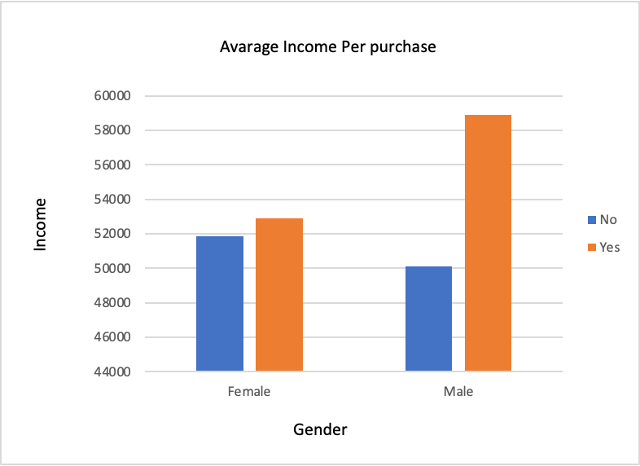
Average of Income | Column Labels
Row Labels | No | Yes | Grand Total
Female | 51849 | 52901 | 52400
Male | 50108 | 58908 | 55047
Grand Total | 51085 | 55760 | 53615

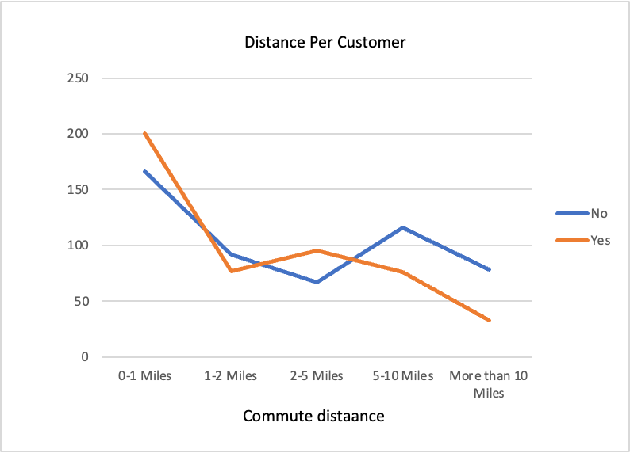
Count of Purchased Bike | Column Labels
Row Labels | No | Yes | Grand Total
0-1 Miles | 166 | 200 | 366
1-2 Miles | 92 | 77 | 169
2-5 Miles | 67 | 95 | 162
5-10 Miles | 116 | 76 | 192
More than 10 Miles | 78 | 33 | 111
Grand Total | 519 | 481 | 1000

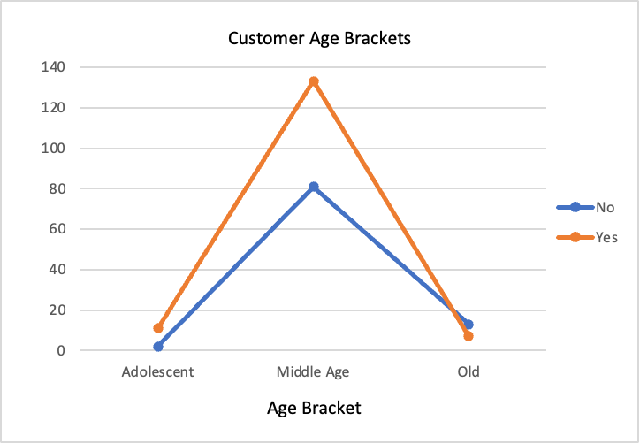
Count of Purchased Bike | Column Labels
Row Labels | No | Yes | Grand Total
Adolescent | 2 | 11 | 13
Middle Age | 81 | 133 | 214
Old | 13 | 7 | 20
Grand Total | 96 | 151 | 247

Count of Purchased Bike | Column Labels |  |  | 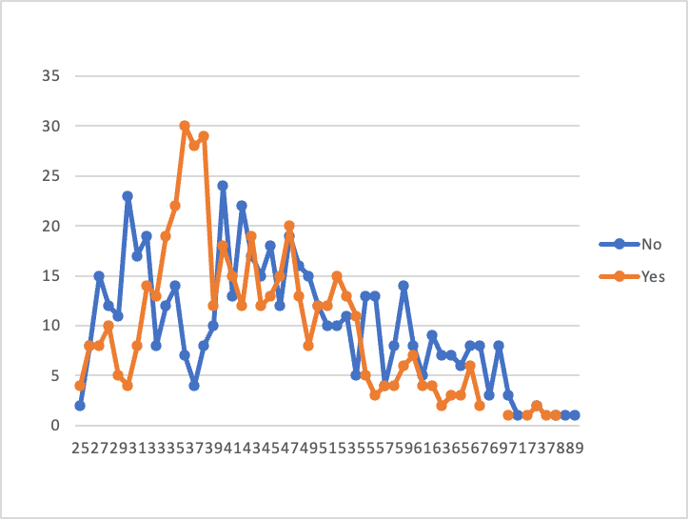
Row Labels | No | Yes | Grand Total
25 | 2 | 4 | 6
26 | 8 | 8 | 16
27 | 15 | 8 | 23
28 | 12 | 10 | 22
29 | 11 | 5 | 16
30 | 23 | 4 | 27
31 | 17 | 8 | 25
32 | 19 | 14 | 33
33 | 8 | 13 | 21
34 | 12 | 19 | 31
35 | 14 | 22 | 36
36 | 7 | 30 | 37
37 | 4 | 28 | 32
38 | 8 | 29 | 37
39 | 10 | 12 | 22
40 | 24 | 18 | 42
41 | 13 | 15 | 28
42 | 22 | 12 | 34
43 | 17 | 19 | 36
44 | 15 | 12 | 27
45 | 18 | 13 | 31
46 | 12 | 15 | 27
47 | 19 | 20 | 39
48 | 16 | 13 | 29
49 | 15 | 8 | 23
50 | 12 | 12 | 24
51 | 10 | 12 | 22
52 | 10 | 15 | 25
53 | 11 | 13 | 24
54 | 5 | 11 | 16
55 | 13 | 5 | 18
56 | 13 | 3 | 16
57 | 4 | 4 | 8
58 | 8 | 4 | 12
59 | 14 | 6 | 20
60 | 8 | 7 | 15
61 | 5 | 4 | 9
62 | 9 | 4 | 13
63 | 7 | 2 | 9
64 | 7 | 3 | 10
65 | 6 | 3 | 9
66 | 8 | 6 | 14
67 | 8 | 2 | 10
68 | 3 |  | 3
69 | 8 |  | 8
70 | 3 | 1 | 4
71 | 1 |  | 1
72 |  | 1 | 1
73 | 2 | 2 | 4
74 |  | 1 | 1
78 | 1 | 1 | 2
80 | 1 |  | 1
89 | 1 |  | 1
Grand Total | 519 | 481 | 1000

Sheet3
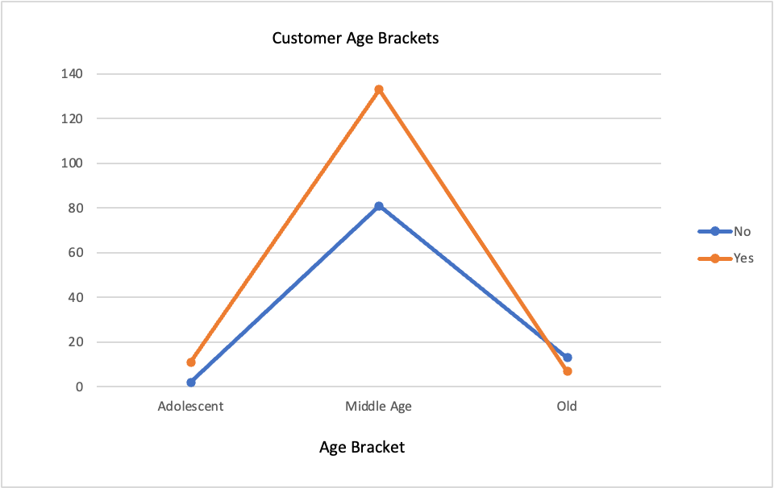
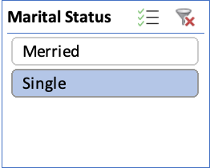
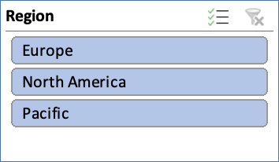
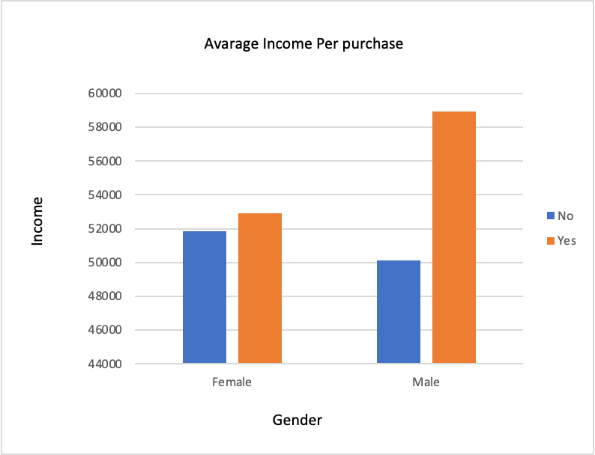
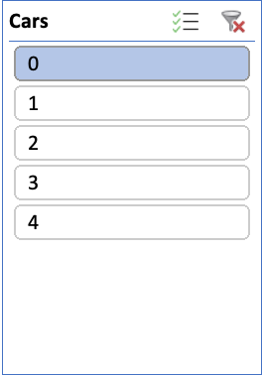
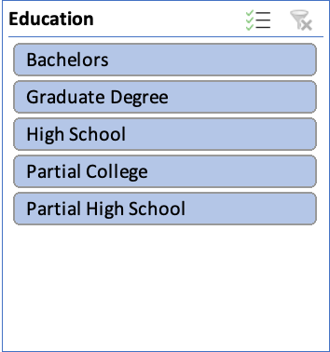
Bike Sales Dashboard

